Sheet1
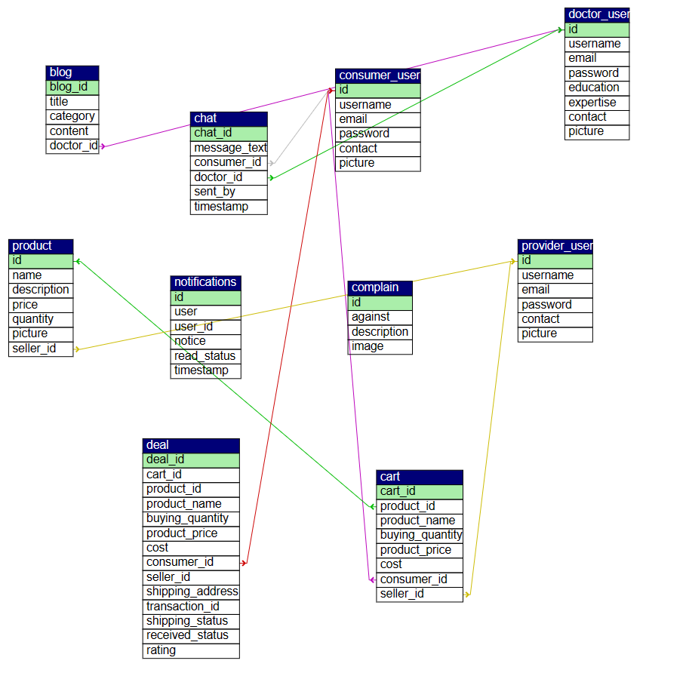
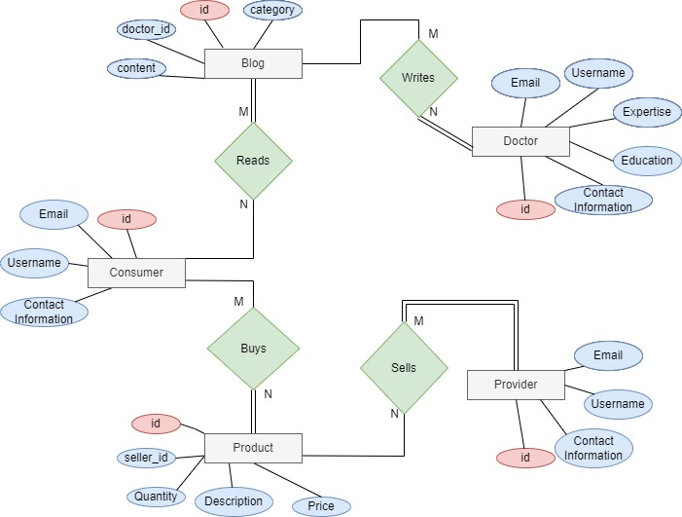
Product Requirement Document (PRD) - Version: 1.0
Template Name |  | Healthcare Hub
Goals & Objective |  | A healthcare app is a pre-designed software framework that serves as the starting point for building a healthcare app. These templates typically include the basic features and functionalities that are common to most healhcare apps, such as the ability to browse to track their health and nurition goals and search for physicians and services, contact with physicians for various healh issues, create and manage user profiles, and handle transactions and payments. Some common features that may be included in a marketplace app template include: •Provide users with access to a wide range of health information and resources, including articles and contents. • User profiles and accounts, including the ability for users to sign up, log in, and manage their profiles and listings. • A search function, allowing users to find specific physician, appoinments and services. • Along with creating a secure messaging system to allow patients to communicate with their healthcare providers, the application should integrate with healthcare providers to provide users with information about healthcare services and enable them to schedule appointments. • A review and rating system, allowing users to provide feedback on services they have purchased. • A payment gateway, enabling users to securely make transactions using a variety of payment methods. •Develop a feature for healthcare providers to securely share patient information with other providers involved in the patient's care. •Develop a user-friendly interface for patients to access their health information, such as medical history, lab results, and medication lists. Overall, a healthcare app template provides a foundation for building a functional and user-frienldy.
Client Information
Product Type |  | Web Application
Domain |  | Web3
Access Layers |  | Admin, Consumer Doctor, Provider
Design Required |  | Yes

Phase | Item No | Specification [Role] | Screen Definition | User Story | Acceptance Criteria | UI Screen / Wireframe | Tags
Feature:1 |  | Auth Feature
Phase 1 | 1 | Login [consumer] [doctor] [provider] | <Form> <input=email> <input=password> <button=login> <link=forget password> <link=signup> | - Enter registered email (input) - Enter password (input) [Logic: At least 8 characters long, atleast one special character] - Click Login (button) [Logic: If the email and password matches with any user's credential (predetermined credentials from database), user will be able to access his dashboard] - Forget password (link) [Logic: redirect user to Forget Password page] - Signup (link) [Logic: redirect user to Signup page] | Email (input) field should only accept a valid email address as input, otherwise will show an 'invalid email' message. - Password (input) should be minimum 8 characters long, otherwise show an invalid message - On clicking login button, if email and password match with any predefined credential in database, user will be redirected to his dashboard. - On clicking login button, if credentials do not match, it will show an error message (invalid email or password). | 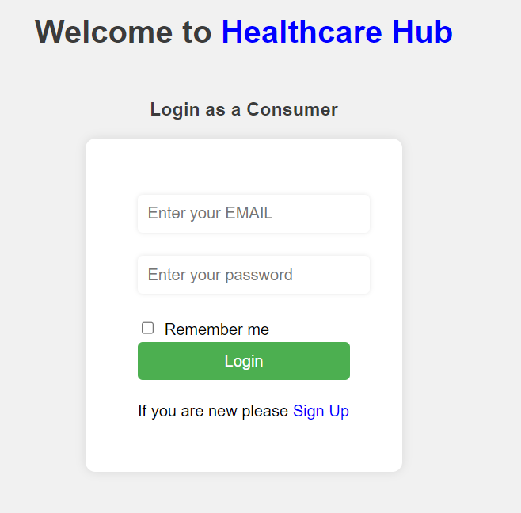 | basic_login
Phase 1 | 2 | Signup [consumer] [doctor] [provider] | <Form> <input=name> <input=email> <input=password> <input=re-password> <button=signup> <link=signin> | - Enter Full name (input) - Enter unregistered email (input) - Enter password (input) [Logic: At least 8 characters long, atleast one special character] - Enter password again (input) [Logic: should match password input] - Click Signup (button) [Logic: If the email is unique, user will be registered to the sysmem (databse)] - Signin (link) [Logic: redirect user to Login page] | ~Email (input) field should only accept valid unregistered email address as input, otherwise will show an already used' message. -~Password (input) should be minimum 8 characters long. Otherwise show an invalid message. ~Re-password (input) should match password. Otherwise show 'password do not match' message. ~On clicking signup button, credential will be stored in database, user will be redirected to his dashboard. | 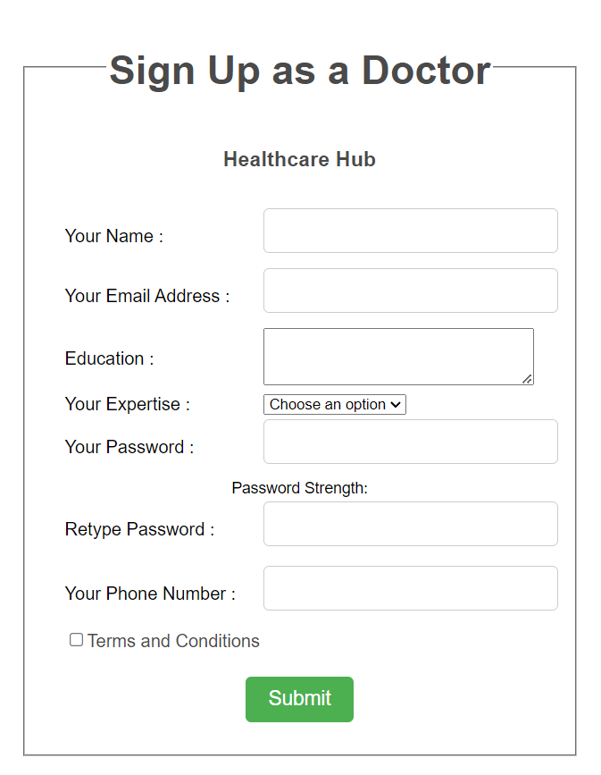 | basic_signup
Feature:2 |  | Profile Customization Feature
Phase 2 | 3 | change information [consumer] [doctor] [provider] | <Form> <input=name> <input=contact> <button=change> <button=clear> <button=back> | ~click (button) ) [Logic: If the username matches with any user's name from database, user will be able to see all the users with same name] ~profile customize (link : redirect to go to the profile customization page form the Nav bar E17 ~click update . [logic : the given information will be updated ] | ~ Any field with empty value can not be submitted ~The values have to be in correct format corresponding The input field ~ On clicking On link, The page will load automatically |  | change_information
Phase 2 | 4 | change profile photo [consumer] [doctor] [provider] | <Form> <input=name> <input=img> <button= update> | ~ click on the customization link from navbar [Redirect to customization page] ~add the image to change or add the profile picture . [logic : if not added , profile picture will be added] ~ click the update [logic : the information will be updated] | ~ The former values can not go empty ~ uploaded image must be on the valid format ~ A good bandwidth neede to upload the image correctly ~ If the image is not on the corrected form , an error messege will be shown |  | change_profile_picture
Feature:3 |  | Chat Feature
Phase 3 | 5 | Give messege to any of the doctor [consumer] | <Form> <input=messege> <button=send> | ~ The consumer can see the all the doctor's list [link : redirect to the doctors' list link ] ~ click on the chat button [link to the specific doctor conversation] ~ type a message [input] ~ click send button [logic : send the message to the doctor] | ~ The doctor has to be on the valid user while he recieves the message ~ The message field can not be empty to send empty message . |  | chat_to_doctor
Phase 3 | 6 | Give reply to the consumer [doctor] | <Form> <input=messege> <button=reply> | ~ The doctor can see the all the messages [link : redirect to the all messages ] ~ click on the chat button [link to the specific doctor conversation] ~ type a message [input] ~ click send button [logic : send the message to the doctor] | ~ both the consumer and the doctor needs to be valid on the user table ~The reply can not be empty ~ All the messages from the patients will be available |  | reply_to_patient
Feature:4 |  | Blog Feature
Phase 4 | 7 | Post Article [doctor] | <Form> <input= title> <input = content> <button = submit > | ~ The logged in doctor can go to the article posting [link : post article ] ~ The doctor can write his blogs here ~ clicking the button post will make the written post included ~ this will redirect to the same page with the newly added post | ~ The input fields can not go empty ~ An error message will occur if goes blank |  | post_article
Phase 4 | 8 | Edit Article [doctor] | <Form> <input= title> <input = content> <button = update > | ~ The doctor can view the posted articles here ~ The EDIT button on the each article will take the doctor in the specified post editing page [link : redirect to specific post edit ] ~ The Title and the Content will be updated clicking the Update button [logic: the former Title and Content will be updated | ~ The input fields can not go empty ~ An error message will occur if goes blank ~ While editing the post should be available on the database |  | edit_article
Phase 4 | 9 | View Article [Consumer] | <h1 = heading > <p = content> | ~ Consumer can view the blogs written by the doctor. ~ The blogs are categorized by the doctorname and the content type ~ NavBar will redirect the consumer on the blogs page [link] | ~ There must be atleast one blogs availabe to view it by the consumer ~ The doctor who posted the blogs has to be valided on the user table to make the blog existed |  | view_blog, view_article
Feature:5 |  | Complain Feature
Phase 5 | 10 | complain doctor [consumer] | <Form> <input=usertype> <input=description> <button=submit> | ~ Consumer can go to complain page from Nav Bar [link] ~ The complains can be made with the proper description ~ The usertype will make sure the complain is filed against whom [input] | ~ The complain filed should not let the required input fields go empty ~ The complain can only be made against the valid user of the current datatable ~ The complain should degine logic |  | complain_doctor
Phase 5 | 11 | provide proof [consumer] | <Form> <input=usertype> <input=image> <button=submit> | ~ On the complain page there will be a input filed for images . ~ The image field should take the screenshots or any proof availabe on the image format [input] ~ Will redirect the consumer on the home page | ~ The image should be in the valid format ~ The proof is complementary so the complain ncan be filed with out the image uploaded |  | Proof
Feature:6 |  | Cart Management Feature
Phase 6 | 12 | Add products [consumer] | <Form> <input=product> < button=add> | ~ The consumer can go the buying page from the navbar [link] ~ The Add to cart button will add the product on the cart table [link] ~ The button will redirect the user to the cart page | ~ The product adding should be valid product on the datatable ~ The Provider whose item has been selling should avail validity otherwise the product will also be removed from the site |  | Add_product
Phased 6 | 13 | remove products [consumer] | <Form> <input=product> < button=Remove> | ~ The button delete will delete the item on the cart [button] ~ The button will redirect the user to the cart page | ~ The product deleting should be valid product on the datatable ~ The Provider whose item has been selling should avail validity otherwise the product will also be removed from the site |  | remove_product
Phase 6 | 14 | confirm cart [consumer] | <Form> <button = confirm> | ~ The confirm button will redirect to the payment page ~ The products confirmed should be done with payment | ~ the products should be available valid on the dataset ~ The provider who is selling the products should be existed n the user table |  | Confirm_cart
Feature:7 |  | Product Management Feature
Phase 7 | 15 | Enlist product [provider] | <input = product details > <button = add product > | ~ Provider can go to the sell page from navbar [link] ~ Products details should be added here [input] ~ a confirm button will make sure the product is added to the selling list | ~ The product adding should be valid product on the datatable ~ the input fields can not go empty ~ the provider must be a valid user | 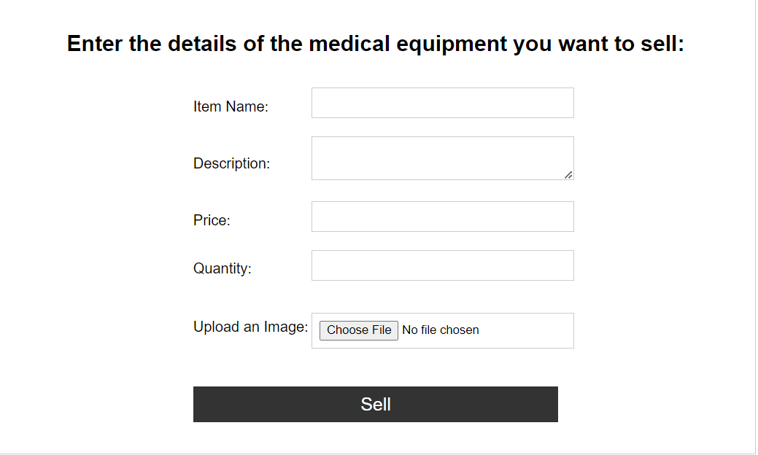 | Enlist_product
Phase 7 | 16 | Track Product [consumer] | <button = received> | ~ consumer can see confirmed products from the my orders from navbar [link] ~The received button will redirect to the same page with the specified product removed as received [link] | ~ The product should be valid product on the datatable ~ the provider must be a valid user |  | track_product
Phase 7 | 17 | Ship Product [provider] | <button = sent> | ~ provider can see confirmed products from the my orders from navbar [link] ~ the products will be sent to the specific address shown in the table [logic] ~The sent button will redirect to the same page with the specified product removed as received [link] | ~ The product should be valid product on the datatable ~ the provider must be a valid user ~ the consumer must be a valid user |  | ship_product
Feature:8 |  | Legal Agreement Feature
Phase 8 | 18 | Privacy Policy [consumer] [doctor] [provider] | <a > <input = radiobutton <li = privacy policy > | ~Button to make sure (input ) ~Acknowledge the user what type of information is been collected from them | ~ Once logged can view their privacy concern ~ A link to generate the documents that shows the policies provided by the owner |  | privacy_policy
Phase 8 | 19 | Tearms & Conditions [consumer] [doctor] [provider] | <a > <input = radiobutton <li = Tearms & Conditions > | ~A radiobutton to make sure (input ) ~Asks the users know if they are agreed upon the terms | ~ Former input fields have to be filled properly ~ A radio button has to be filled which makes sure the terms and condtions are read and ensured by the user who has been registering ~ only agreeing can make the registration proceed |  | terms_and_conditions
Feature:9 |  | Feedback Feature
Phase 9 | 20 | Give rating [consumer] | <form><input= star icon > <button= submit> </form> | ~ Give your feedback : (Select the stars as the product quality ) ~ Filling all the stars :(The highest ranking can be 5 stars) ~ Filling none : (The lowest can be done with no stars ) | ~ User can can only review once used ~ After subitting review can not be undone ~ Can submit one for one product |  | Prduct_feedback
Phase 9 | 21 | show rating [consumer] | <span = ratings> | ~ consumer can go the all product page [link] ~ Average rating of the product is showed there ~ Very good , good , ,bad moderate are the categories [logic] | ~ the product should be available with selling quantity more than 0 ~ the seller should be a valid user on the data table ~ if no rating is availabe then a message is shown there |  | show_rating
Feature:10 |  | Dashboard Feature
Phase 10 | 22 | consumer home [consumer] | <nav = links > | ~ After successful login the consumer will redirect to a page available only for consumer user ~ the homepage can redirect the user into all the pages from the navbar [link] | ~ the consumer needs to be logged in ~ the user should be valid |  | consumer_dashboard
Phase 10 | 23 | doctor home [doctor] | <nav = links > | ~ After successful login the doctor will redirect to a page available only for doctor user ~ the homepage can redirect the user into all the pages from the navbar [link] | ~ the doctor needs to be logged in ~ the user should be valid |  | doctor_dashboard
Phase 10 | 24 | provider home [provider] | <nav = links > | ~ After successful login the provider will redirect to a page available only for doctor user ~ the homepage can redirect the user into all the pages from the navbar [link] | ~ the provider needs to be logged in ~ the user should be valid |  | provider_dashboard
Feature:11 |  | Payment Feature
Phase 11 | 25 | Cash on delivery [consumer] | <select = cod> <button =submit> | ~after completing the cart the user will make the payment . ~ the consumer can choose to pay Cash on delivery[input] ~ after choosing COD the button will redirect on the consumer home page [link] | ~ the products should be available valid on the dataset ~ The provider who is selling the products should be existed in the user table |  | cash_on_delivery
Phase 11 | 26 | Cellualr Connection [Physician] [Patient] | <select = cod> <input = transaction_id> <button =submit> | ~after completing the cart the user will make the payment . ~ the consumer can choose to pay Online [input] ~ after choosing online the transaction id to bkash payment has to be entered [input ] ~ A button will redirect on the consumer home page [link] | ~ the products should be available valid on the dataset ~ The provider who is selling the products should be existed in the user table |  | online_payment
Feature:12 |  | Notification Feature
Phase 12 | 27 | Send Product notification [consumer] [provider] | <add notification ()> | ~the provider can send the product to the destination and after completing the task a notification would be sent to the consumer ~ The notification sending will not take the user to different page or load server | ~ The consumer should be valid user ~ The product should be successfully inserted as shipped on the database |  | send_product
Phase 12 | 28 | recieve Product notification [consumer] [provider] | <add notification () > | ~consumer can click on the button of received on the my my order product and the received status should be sent as a notification to the provider ~ The notification sending will not take the user to different page or load server | ~ The provider should be valid user ~ The product should be successfully inserted as received on the database |  | recieve_product
Phase 12 | 29 | Chat notification [consumer] [doctor] | < notification ()> | ~ The message sent from the consumer will send the doctor a notificaion ~ The reply made from the doctor will send the consumer back a notification ~ Notification will not redirect users into different pages | ~ both the doctor and the consumer needs to be a valid and existing user of the database ~ in order to make the notification takes place the preferrd action causing the nofication needs to be completed first |  | chat_notification

